Hiearchy View
CLASS: OIL COOLER
mechanical device that is used to remove surplus heat from internal combustion engines through a heat-exchanger. |  | 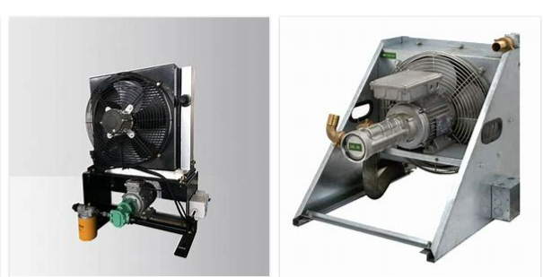
REMOVE | N

PROBLEM_DESC | CAUSE_DESC | REMEDY_DESC
BROKEN/DAMAGED
LEAKING
NOISE
OTHER PROBLEM
OVERHEATING
PRESSURE
STOPPED/SLOWED/POOR OPS
TEMP-CTRL
VIBRATION
Grand Total

